chs_calculator
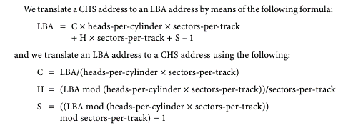
L-CHS to P-CHS |  | P-CHS to L-CHS |  | LBA to CHS |  | CHS to LBA
Logical C* | 4 | Physical C* | 8 | LBA* | 6335279 | C* | 785
Logical H* | 7 | Physical H* | 7 |  |  | H* | 79
Logical S* | 10 | Physical S* | 10 | Total H* | 128 | S* | 63
 |  |  |  | Total S* | 63
Total L-H* | 32 | Total P-H* | 16 |  |  | Total H* | 128
Total L-S* | 63 | Total P-C* | 63 | C | 785 | Total S* | 63
 |  |  |  | H | 79
LBA | 8514 | LBA | 8514 | S | 63 | LBA | 6335279

Total P-H* | 16 | Total L-H* | 32
Total P-S* | 63 | Total L-H* | 63

Physical C | 8 | Logical C | 4
Physical H | 7 | Logical H | 7
Physical S | 10 | Logical S | 10

* indicates a required field

